Winning Price
Internal Analysis: Estimating Winning Price

INTERNAL ANALYSIS
Our Estimate of Winning Price

Customer Budget |  | Customer Expectations
• Total available funds • Timing • Types and sources of funds |  | • Independent cost estimates • Should cost models • Prior purchase prices



 | Estimated Price to Win
 | • Upper and lower limits on price and capability • Cost versus price • Acquisition, total installed, total life cycle, or annualized cost

Low Cost |  | Best Value
• Minimally acceptable capability • Your organization's low cost approach • Credible competitors' approaches | Winning Price Development • Fundamental relationship • Customer's perceived value ≥ customer's budget ≥ your price ≥ your price • Establish the target price early • Use target price to guide early solution development • Use "top down" then "bottom up" approach • Best value solutions • Balance value against price to maximize the difference | • Capability satisfied solution • Optimal price capability tradeoff • Value proposition

PTW Window
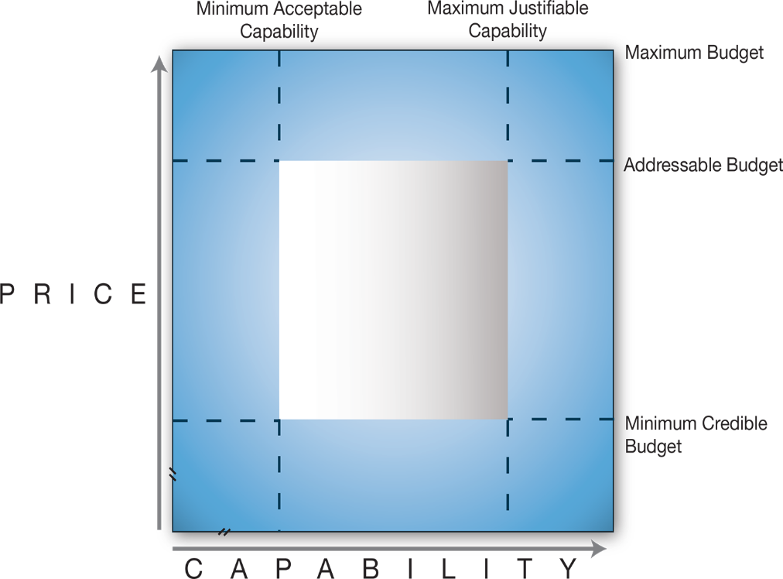
Internal Analysis: Pricing to Win Window
 | Terminology • Maximum budget is the maximum amount the customer has budgeted • Addressable budget is the amount the customer has available for a purchase after deducting expenses associated with the purchase • Minimum credible budget is the amount below which the customer doubts the credibility of obtaining an acceptable solution • Minimum acceptable capability is the minimum capability acceptable to this customer • Maximum justifiable capability is the maximum capability that this customer can justify | * NOTE: as you address capability with the customer, consider how this affects solutions, discriminators and PTW

Minimum addressable budget | Minimum capability* | Maximum capability*

Benefit-Feature
Feature
What it is, how it works
Benefit
Advantages the customer needs/wants
For every feature ask “So what?
For every benefit ask “How so?”
Strategy: Benefits and Features
 |  | Solution feature: what is it and how does it work: – Description of software – Implementation process – Project team – Core solution – Training plan – Support model
 |  | Solution advantage: what the features does, how it performs: – Faster – Increased – Decreased – Improved – Reduced – Safer – Integrated
 |  | Customer benefit is an advantage the customer wants/needs: – Increased cyber security – Improved employee productivity – Decreased operating costs
Solution feature | Advantage | Benefit

Preliminary Bid Planning
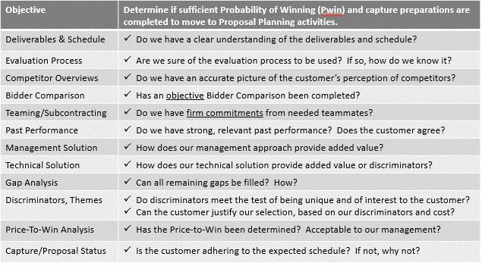
Preliminary Bid Planning and Content
Preliminary Bid Organization/Planning (HOW) | Additional Decision Gate Topics
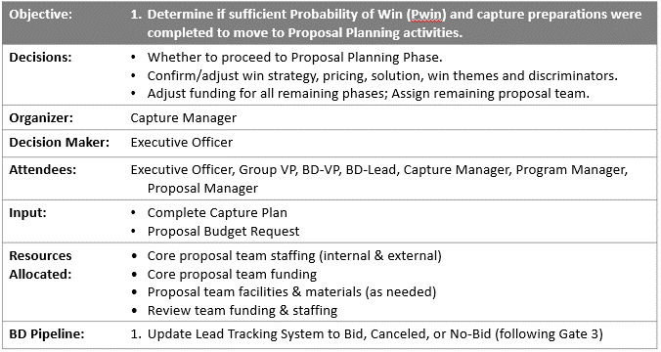
 | Overview of Opportunity
 | Overview of Customer
 | Teaming
 | Bidder Comparison Chart
 | Integrated Solution Worksheet
 | Risks and Mitigation

Preliminary Bid Content (WHAT) | STATUS (link to appropriate pages)

